5
Use ChatGPT to help you write Python code that performs a one-sample t-test on a dataset of your choice (for example, average daily UPI transactions per user on PhonePe). Copy the code, run it on your data, and paste both the code and output in your submission.

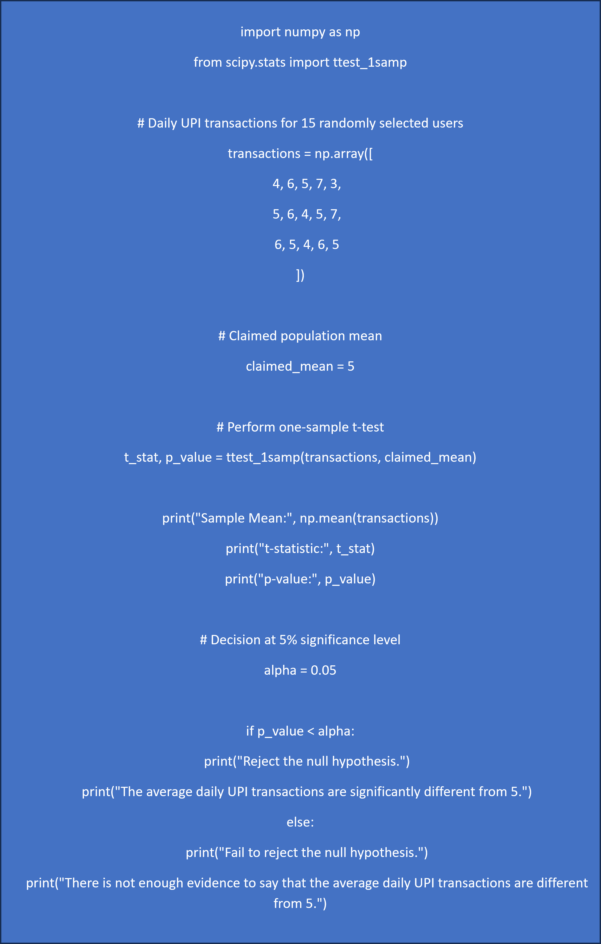
Python Code from ChatGPT | Python Output
 | Sample Mean: 5.2
 | t-statistic: 0.6547
 | p-value: 0.5234

 | Fail to reject the null hypothesis.
 | There is not enough evidence to say that the average daily UPI transactions are different from 5.

